1. Title Page
[Project Name]

Project Name: Instacart Grocery Basket Analysis
Date: October, 2023
Analyst Name: Comfort Omotuyole

Contents:
Population Flow
Consistency checks
Wrangling steps
Column derivations
Visualizations
Recommendations

The Instacart Online Grocery Shopping Dataset 2017”, Accessed from www.instacart.com/datasets/grocery-shopping-2017 via Kaggle on [2023].
(Note: The contents of this project have been fabricated for the purpose of this Achievement.)

2. Population Flow
 | Title page

Population flow

Exclusion flag
Condition: max_order < 5 orders
Obervations to be removed: 7989982
Final total count of order_products_all: 24414877

Orders_products_combined
Orders_products_merged
Orders_products_all

Total: 32404859
Total: 32434489
Total:
24414877

1.) The grey boxes in the first row of the population flow represent the original data sets as they were when you downloaded them. In the Total fields you need to add the count of the rows when you imported the data set into Jupyter.
2.) The second row of boxes (coloured) represents the data sets after you manipulated them, e.g., removed missing values and duplicates. In the Total fields you need to add the count of the rows after conducting these operations. This offers a visual oveview of how the data flows throughout the data consistency checks.
3.) The third row, where also the arrows are coloured, represents the merges you performed between the datasets. In the Total fields you need to add the count of the rows in the merged datasets, so that you end up with the final dataset (in the red box). Keep in mind the final dataset should be without exclusions (based on the exclusion flag).

3. Consistency checks
 |  |  |  | Title page
Consistency checks

Dataset | Missing values | Missing values treatment | Duplicates
orders | 206209 missing values in column 'days_since_prior_order' | New column to flag reason for missing values created | No Duplicates
products | 16 missing values in column 'product_name' | Missing values dropped, and a subset of the file, having no missing values, was created | 5 duplicates found. These were dropped and a subset of the file, having no duplicates, was created
orders_products_prior | No missing value | NA | No Duplicates
customers | No missing value | NA | No Duplicates

4. Wrangling steps
 |  |  |  | Title page
Wrangling steps

Columns dropped | Columns renamed | Columns' type changed | Comment/Reason
eval_set |  |  | This variable is the same for every record; it is not necessary for the analysis
 | order_dow |  | This was changed to a more intuitive title - 'order_day_of_week'
 |  | order_id | Though this variable is numeric, it cannot be used in calculations because it is to identify an item. Therefore, it was changed to 'string'
 |  | user_id | Though this variable is numeric, it cannot be used in calculations because it is to identify an item. Therefore, it was changed to 'string'
 | Surnam |  | The last letter of the word 'e' was included
 | n_dependents |  | This was changed to a more intuitive title - 'number_of_dependents'
 | fam_status |  | This was changed to a more intuitive title - 'family_staus'
First Name |  |  | This variable was dropped because it is personally identifiable information (PII)
Surname |  |  | This variable was dropped because it is personally identifiable information (PII)

5. Column derivations
 |  |  |  | Title page

Column derivations and aggregations

In this tab you should add tables below that the frequences of flags/label variables that you produced after deriving them. NB: don't do this for continuous variables, only for flags.
Dataset | New column | Column/s it was derived from | Conditions
orders_products_merged | price_range_loc | prices | High-range product: prices >15; Mid-range product: prices = <15 & >5; Low-range product: prices =<5
orders_products_merged | busiest_day | order_day_of_week | Busiest day: order_day_of_week=0; Least Busy: order_day_of_week =4; Regularly busy: order_day_of_week=else (1,2,3,5,6)
orders_products_merged | busiest_days | order_day_of_week | Busiest day 1: order_day_of_week=0; Busiest day 2: order_day_of_week=1; Least Busy 1: order_day_of_week=4; Least Busy 2: order_day_of_week=3; Regularly busy: order_day_of_week=else (2,5,6)
orders_products_merged | busiest_period_of_day | order_hour_of_day | Most orders: order_hour_of_day>=9 & <=16; Average: order_hour_of_day>=7, <9, >16 & <=22; Fewest orders: order_hour_of_day<7 & =23
orders_products_merged | loyalty_flag | max_order | Loyal customer: max_order>40; Regular customer: max_order<=40 & >10; New customer: max_order<=10
orders_products_merged | spending_flag | mean_prices | Low spender: mean_prices<10; Higher spender: mean_prices=>10
orders_products_merged | order_frequency_flag | median_prior_order | Non-frequent customer: median_prior_order>20; Regular customer: median_prior_order<=20 & >10; Frequent customer: median_prior_order <=10
orders_products_customers_merged | Region | STATE | Derived using information from https://simple.wikipedia.org/wiki/List_of_regions_of_the_United_States
orders_products_customers_merged | customer_profile_1 | Age; family_status; number_of_dependents | Ages: >= 18 & < 40 = young adult; >=40 & <60 = middle-aged adults; >=60 = elderly adults. Family Status: 'married' = Married; 'single' & 'divorced/'widowed' = Single; 'living with parents& siblings' = dependent; number_of_dependants = 0 is Adult; number_of_dependants >0 is Parent
orders_products_customers_department_merged | customer_age_group | Age | Ages: >= 18 & < 40 = young adult; >=40 & <60 = middle-aged adults; >=60 = elderly adults
orders_products_customers_department_merged | customers_orders_day | customer_profile_1; order_day_of_week | Please see customer_profile_1 conditions above. Order_day_of_week split into weekdays and weekend
orders_products_customers_department_merged | customer_profile_income | income | Low class income: >= 25903 & <= 30000 ; Middle class income: > 30000 & <= 201270 ; High Class income > 201270
orders_products_customers_department_merged | customers_orders_dept | department; customer_profile_1 | Please see customer_profile_1 conditions above. 'department' = 'produce' : Produce Orders; 'department' = (list of other departments) : Other Depts Orders
orders_products_customers_department_merged | customers_orders_produce | department; customer_profile_1 | Please see customer_profile_1 conditions above. 'department' = 'produce' : Produce Orders
orders_products_customers_department_merged | customer_profile_goods | customer_profile_1; department_id | Please see customer_profile_1 conditions above. 'department_id' in [4, 16, 19, 7, 1, 13, 3, 15, 20] = Most ordered; 'department_id' in [9, 17, 12, 14, 11, 18, 6, 5] = Average ordered;'department_id' in [8, 21, 2, 10] = Least ordered

6. Visualizations
 |  |  |  |  |  |  |  | Title page

Visualisations

In this tab you should include all the visualtions from Exercises 4.9 and 4.10, alongside the questions from the project brief that they answer. Include any commentary on the relationship between different variables.

The sales team needs to know what the busiest days of the week and hours of the day are (i.e., the days and times with the most orders) in order to schedule ads at times when there are fewer orders.



 |  |  |  |  |  | Key | Day of Week
 |  |  |  |  |  | 0 | Saturday
 |  |  |  |  |  | 1 | Sunday
 |  |  |  |  |  | 2 | Monday
 |  |  |  |  |  | 3 | Tuesday
 |  |  |  |  |  | 4 | Wednesday
 |  |  |  |  |  | 5 | Thursday
 |  |  |  |  |  | 6 | Friday

The visualization on the left is for the order_day_of_week while the one on the right is showing order_hour_of_day. From the visualizations, it can be deduced that Saturday ('0') is the day of the week that has the highest number of orders, followed by Sunday ('1'). The time of a day that has the highest number of orders is 10am, followed closely by 11am. The weekend (Friday, Saturday and Sunday) has the most orders during a week. The busiest period of the day, where most orders are received, is between 9am and 4pm.

They also want to know whether there are particular times of the day when people spend the most money, as this might inform the type of products they advertise at these times.
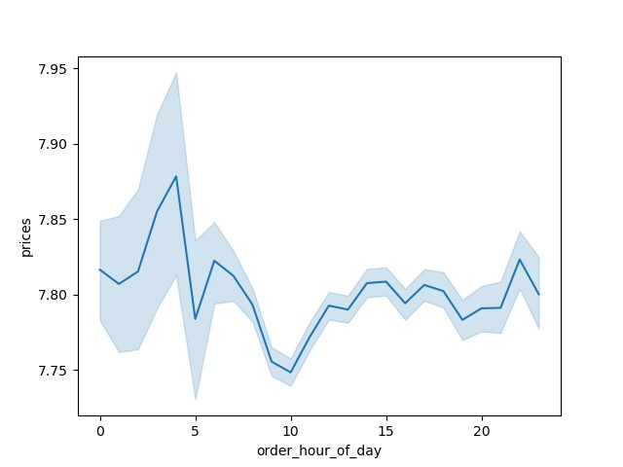

From the chart above, it can be deduced that prices of goods purchased are highest in the early hours of the day, between 12am and 4am.

Instacart has a lot of products with different price tags. Marketing and sales want to use simpler price range groupings to help direct their efforts.
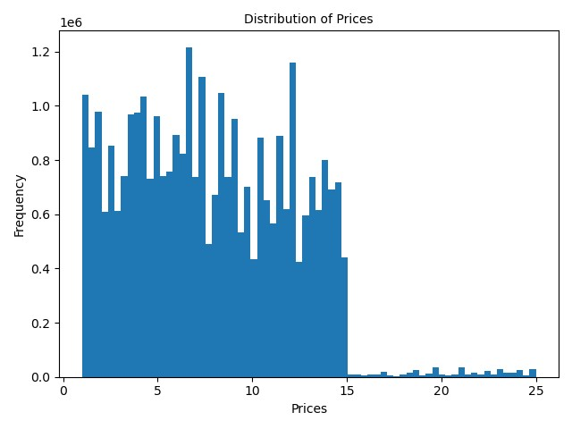

The prices between 1 and 5 have higher frequency than prices between 15 and 25.

Are there certain types of products that are more popular than others? The marketing and sales teams want to know which departments have the highest frequency of product orders.
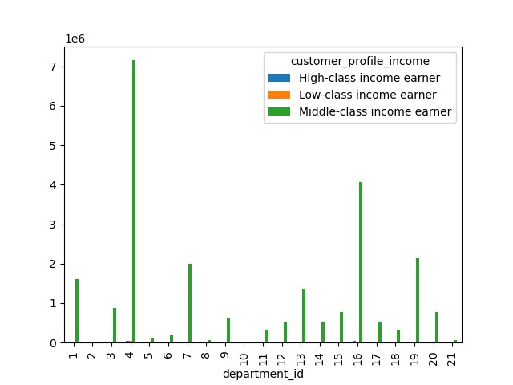
 | Key:
 | department_id | department
 | 1 | frozen
 | 2 | other |  | High-class income earner | More than 201,270
 | 3 | bakery |  | Low-class income earner | Less than 30,000
 | 4 | produce |  | Middle-class income earner | 30,000 - 201,270
 | 5 | alcohol |  | Source: https://www.investopedia.com/financial-edge/0912/which-income-class-are-you.aspx
 | 6 | international
 | 7 | beverages
 | 8 | pets
 | 9 | dry goods pasta
 | 10 | bulk
 | 11 | personal care
 | 12 | meat seafood
 | 13 | pantry
 | 14 | breakfast
 | 15 | canned goods
 | 16 | dairy eggs
 | 17 | household
 | 18 | babies
 | 19 | snacks
 | 20 | deli
 | 21 | missing

The departments with highest frequency of orders include 'produce', 'dairy eggs', 'snackas' and 'beverages'.

What’s the distribution among users in regards to their brand loyalty (i.e., how often do they return to Instacart)?
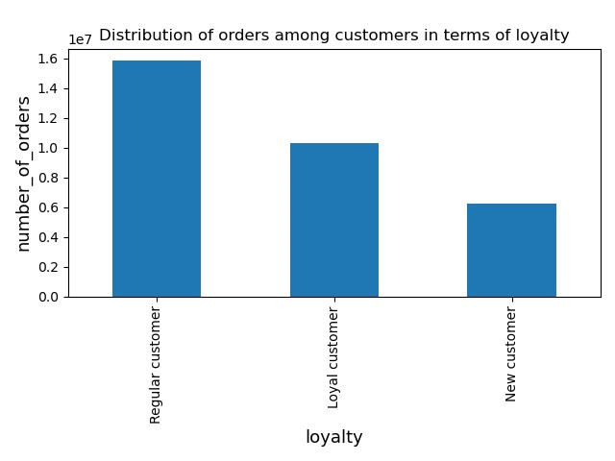

Although the number of loyal customers is considerably high, the highest number of customers are regular customers who do not return as often as the loyal customers.

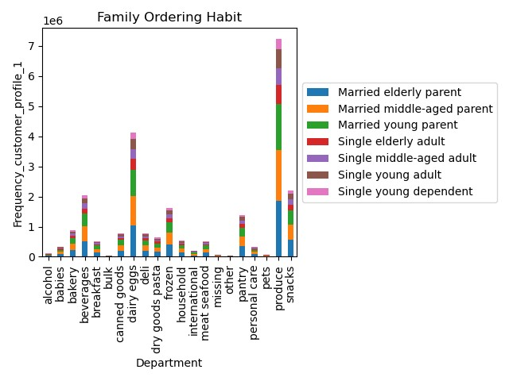

 | family_status | Married | Single | Dependent (living with parents and siblings)
 | number_of_dependents | > 0 : Parent | 0 : Adult
 | Age | >=18 and < 40: Young | >= 40 and <60: Middle-aged | > 60: Elderly
 | Source (Age): https://www.researchgate.net/figure/Age-intervals-and-age-groups_tbl1_228404297

However, chart above shows the frequency of orders with respect to family_status, age and number_of_dependents. Across all departments, the family groups are the most frequent customer group, showing that they make most of the orders. This should guide in the marketing strategies towards which customers are to be targeted at for loyalty.

Are there differences in ordering habits based on a customer’s loyalty status?
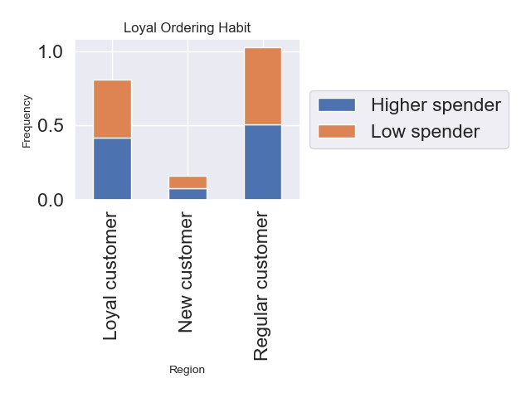

The chart above shows that the orders of regular customers are the highest, while the orders of the new customers are the lowest. Across all classes, the orders of the low spenders are almost same as the orders of the higher spenders.

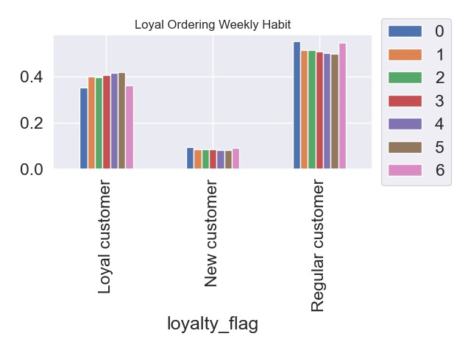
 | Key:
 | 0 | Saturday
 | 1 | Sunday
 | 2 | Monday
 | 3 | Tuesday
 | 4 | Wednesday
 | 5 | Thursday
 | 6 | Friday

The chart above shows that the loyal customers make more orders during the week than in the weekends. This is a different habit from the other groups (regular and new).

Are there differences in ordering habits based on a customer’s region?

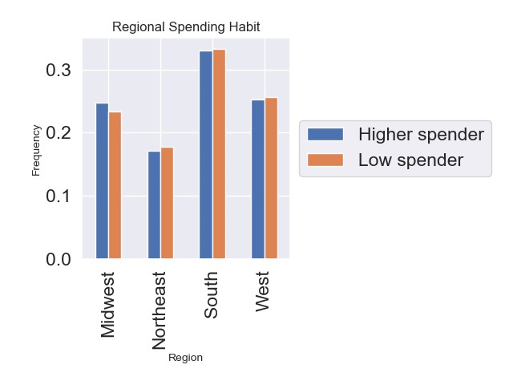

The ordering/spending habits of customers in the south is the highest among other regions. There are no significant differences with regards to number of orders; the frequency of low spenders slightly higher than that of higher spenders across all regions, except in the midwest where the frequency of higher spenders is slightly more than that of the lower spenders.

Is there a connection between age and family status in terms of ordering habits?

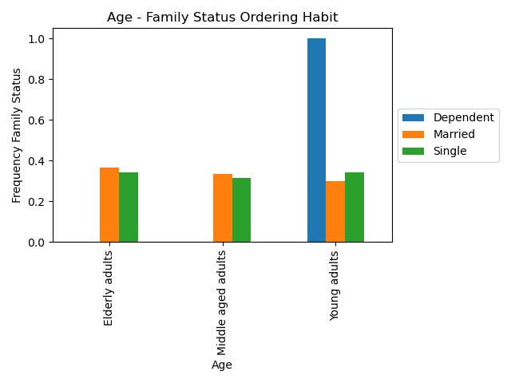

The chart above shows there is no connection between age and family status, because the age does not have any impact on the family status ordering habit. Irrespective of the age, the ordering habit across the family status is the same.

What different classifications does the demographic information suggest? Age? Income? Certain types of goods? Family status?
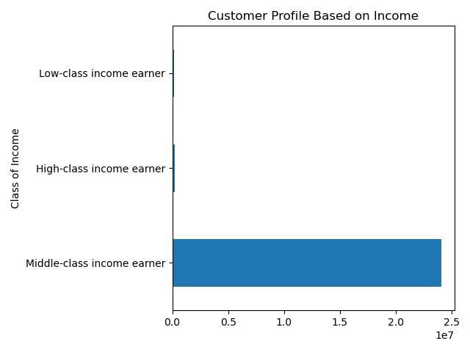

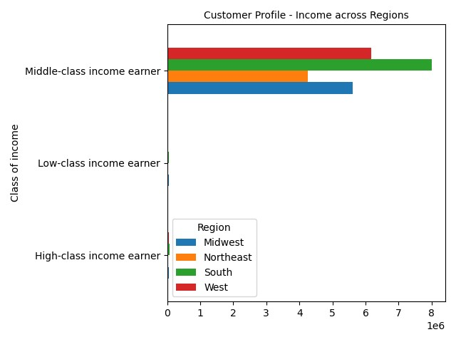

Across all regions, majority of the orders are from middle-class income earners, with the highest orders coming from the south.

What differences can you find in ordering habits of different customer profiles? Consider the price of orders, the frequency of orders, the products customers are ordering, and anything else you can think of.
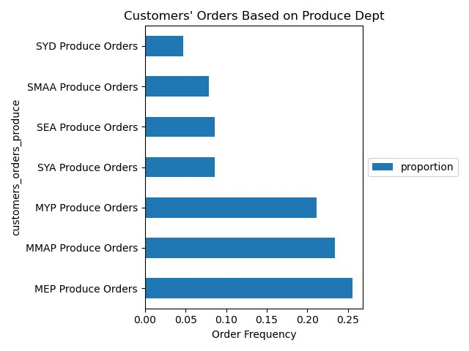

 | SYD | Single young dependent
 | SYA | Single young adult
 | SMMA/SMAA | Single middle-aged adult
 | SEA | Single elderly adult
 | MYP | Married young parent
 | MMAP | Married middle-aged parent
 | MEP | Married eldely parent

Produce' is the department with the most orders. Therefore, the ordering pattern to the department by the different family groups was plotted to compare their behaviours. The most ordered goods at Instacart are ordered by married parents, irrespective of age. The highest orders come from the married elderly parent though.
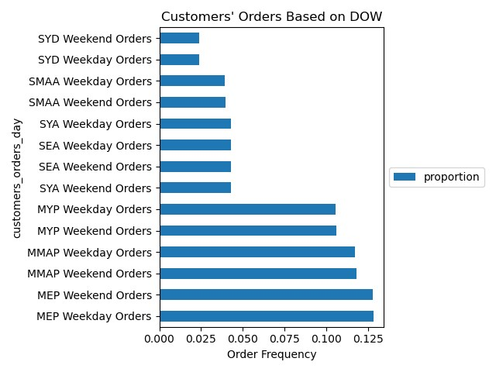

 | SYD | Single young dependent
 | SYA | Single young adult
 | SMMA/SMAA | Single middle-aged adult
 | SEA | Single elderly adult
 | MYP | Married young parent
 | MMAP | Married middle-aged parent
 | MEP | Married eldely parent

The chart above emphasizes that the major customers of instacart are the married parents. It also shows that the number of orders made all through the week is almost same with the number of orders made in the weekend across all the family groups

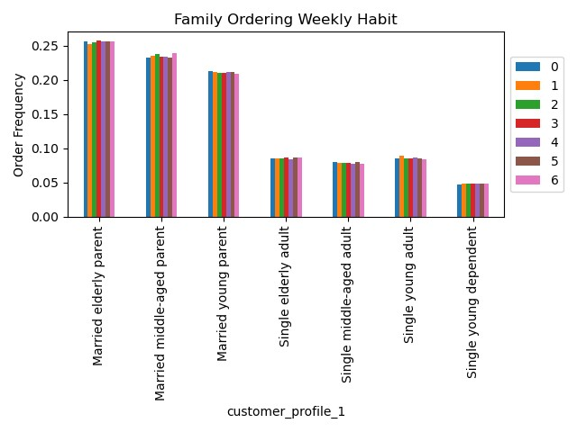

 | Key:
 | 0 | Saturday
 | 1 | Sunday
 | 2 | Monday
 | 3 | Tuesday
 | 4 | Wednesday
 | 5 | Thursday
 | 6 | Friday

The chart above does not show a significant difference in the ordering behaviour of the different family groups during the week. However, it is notable that the family group with highest frequency of orders (Married elderly parent) have their highest orders on Saturday and Tuesday.

 | order_number | order_number | order_number
 | mean | min | max
customer_profile_1
Married elderly parent | 21.870894221 | 5 | 99
Married middle-aged parent | 21.835679286 | 5 | 99
Married young parent | 21.961333033 | 5 | 99
Single elderly adult | 22.11907456 | 5 | 99
Single middle-aged adult | 22.279378124 | 5 | 99
Single young adult | 21.913575709 | 5 | 99
Single young dependent | 22.102310997 | 5 | 99

 | prices | prices | prices
 | mean | min | max
customer_profile_1
Married elderly parent | 11.682476617 | 1 | 99999
Married middle-aged parent | 11.563919422 | 1 | 99999
Married young parent | 12.317487311 | 1 | 99999
Single elderly adult | 11.357793704 | 1 | 99999
Single middle-aged adult | 12.714372393 | 1 | 99999
Single young adult | 12.071620342 | 1 | 99999
Single young dependent | 10.699303312 | 1 | 99999

7. Recommendations
 |  |  | Title page

Recommendations

In this tab you should include any recommendations you would made to Instcart in terms of their marketing strategy based on the questions posed in the brief. Every key question has been covered in the Tasks of the Exercises - here you need to add an item - a visualisation or table/crosstable that is showing the answer in the data, acompanied by a comment from you. Please, list the questions below and add the answer underneath.

Question | Answer (Please see charts in 'Visualization' tab) | Recommendation
The sales team needs to know what the busiest days of the week and hours of the day are (i.e., the days and times with the most orders) in order to schedule ads at times when there are fewer orders. | Saturday is the day of the week that has the highest number of orders, followed by Sunday; while the time of a day that has the highest number of orders is 10am, followed closely by 11am. The weekend (Friday, Saturday and Sunday) has the most orders during a week. The busiest period of the day, where most orders are received, is between 9am and 4pm. | The ads can be scheduled for times before 9am and after 4pm during the week, since these are the periods with fewer orders
They also want to know whether there are particular times of the day when people spend the most money, as this might inform the type of products they advertise at these times. | Prices of goods purchased are highest in the early hours of the day, between 12am and 4am. | Although the analysis shows the period between 12am and 4am to have the highest prices, advertisement of high-priced products should not be limited to this time as the chart shows volatity.
Instacart has a lot of products with different price tags. Marketing and sales want to use simpler price range groupings to help direct their efforts. | The prices between 1 and 5 have higher frequency than prices between 15 and 25. | The price range grouping for prices between 1 and 5 can be adopted for all products
Are there certain types of products that are more popular than others? The marketing and sales teams want to know which departments have the highest frequency of product orders. | The departments with highest frequency of orders include 'produce', 'dairy eggs', 'snacks' and 'beverages', and the highest numbers of these orders are from the family | While work should be done on seeing how more sales can be made in the remaining 17 departments, take note that the frequent orders are by married parents. Therefore, strategies should be taken to increase the loyalty of this group, and also increase the orders from the single group
What’s the distribution among users in regards to their brand loyalty (i.e., how often do they return to Instacart)? | Although the number of loyal customers is considerably high, the highest number of customers are regular customers who do not return as often as the loyal customers. | Retain your loyal customers and increase the size of loyal customers by turning regular customers and new customers into loyal customers. An assessment can be done on what makes the loyal customers always return, and this can be applied to the regular and new customers.
Are there differences in ordering habits based on a customer’s loyalty status? | Difference could be seen in the day(s) of week most orders were made. While loyal customers made most orders during the week, the regular and new customers made most orders during the weekend. | There may be need for more analytical work to find out why loyal customers made more orders during the week than the weekend, alongside other reasons behind the loyal customers' loyalty
Are there differences in ordering habits based on a customer’s region? | The ordering/spending habits of customers in the south is the highest among other regions. | More ads and strategies to increase profitability should be directed across all regions. Though the numbers of orders seem large, only 4 departments, out of 21 departments, are being well patronised

